DiazGranados T1
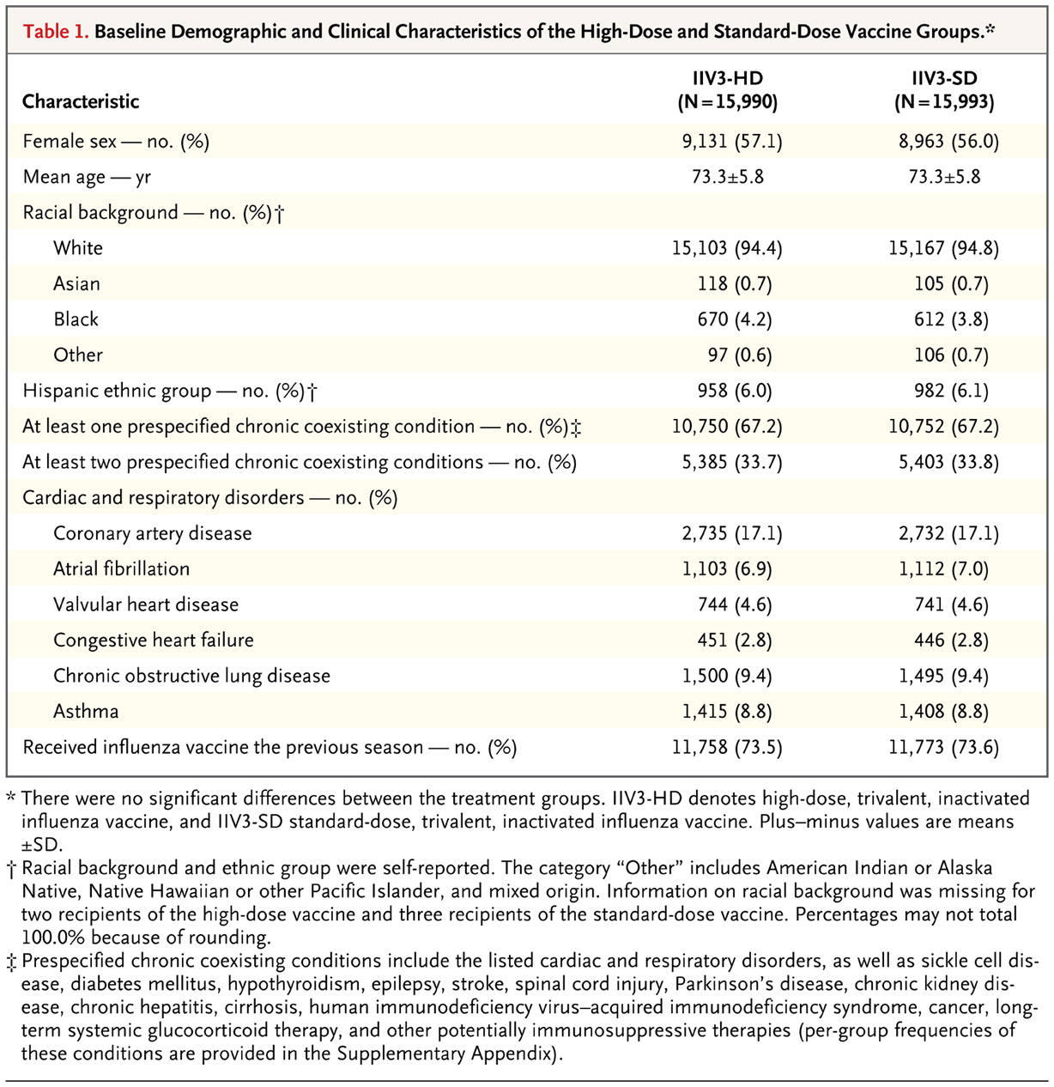
DiazGranados, C. a., Dunning, A. J., Kimmel, M., Kirby, D., Treanor, J., Collins, A., … Talbot, H. K. (2014).
Efficacy of High-Dose versus Standard-Dose Influenza Vaccine in Older Adults.
New England Journal of Medicine, 371(7), 635–645. doi:10.1056/NEJMoa1315727
http://www.nejm.org/doi/full/10.1056/NEJMoa1315727

Table 1: Baseline Demographic and Clinical Characteristics of the High-Dose and Standard-Dose Vaccine Groups.

DiazGranados T2
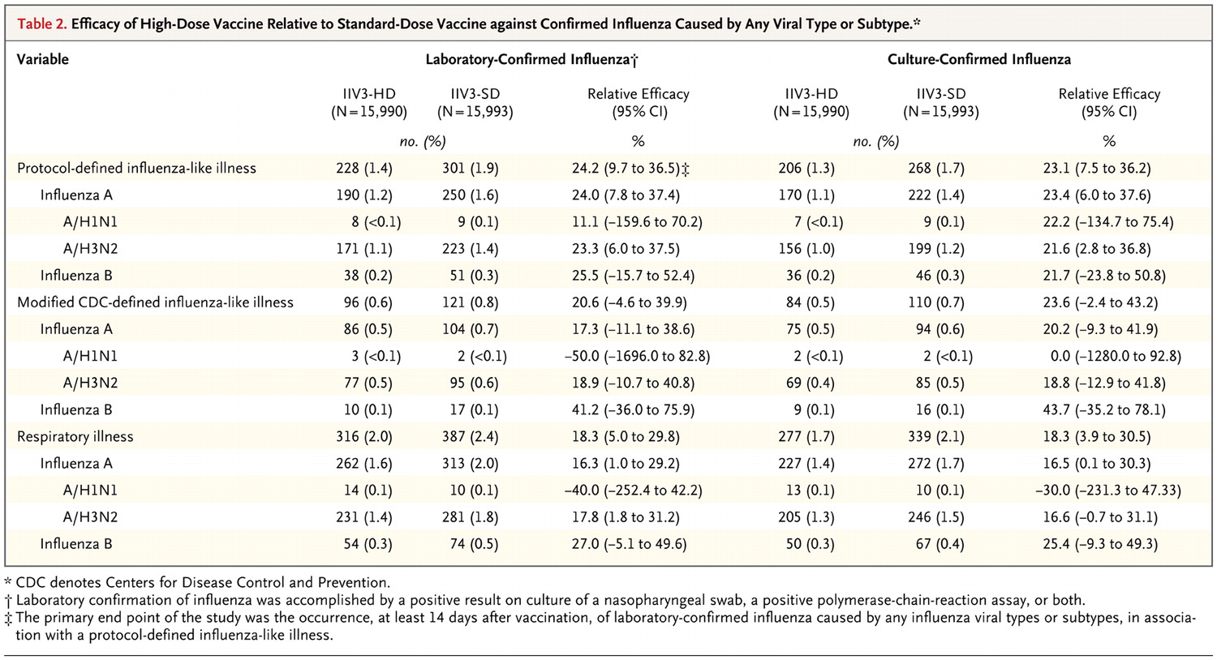
DiazGranados, C. a., Dunning, A. J., Kimmel, M., Kirby, D., Treanor, J., Collins, A., … Talbot, H. K. (2014).
Efficacy of High-Dose versus Standard-Dose Influenza Vaccine in Older Adults.
New England Journal of Medicine, 371(7), 635–645. doi:10.1056/NEJMoa1315727
http://www.nejm.org/doi/full/10.1056/NEJMoa1315727 | Efficacy of High-Dose vaccine relative to standard-dose vaccine against confirmed influenza by any viral type or subtype

DiazGranados T3
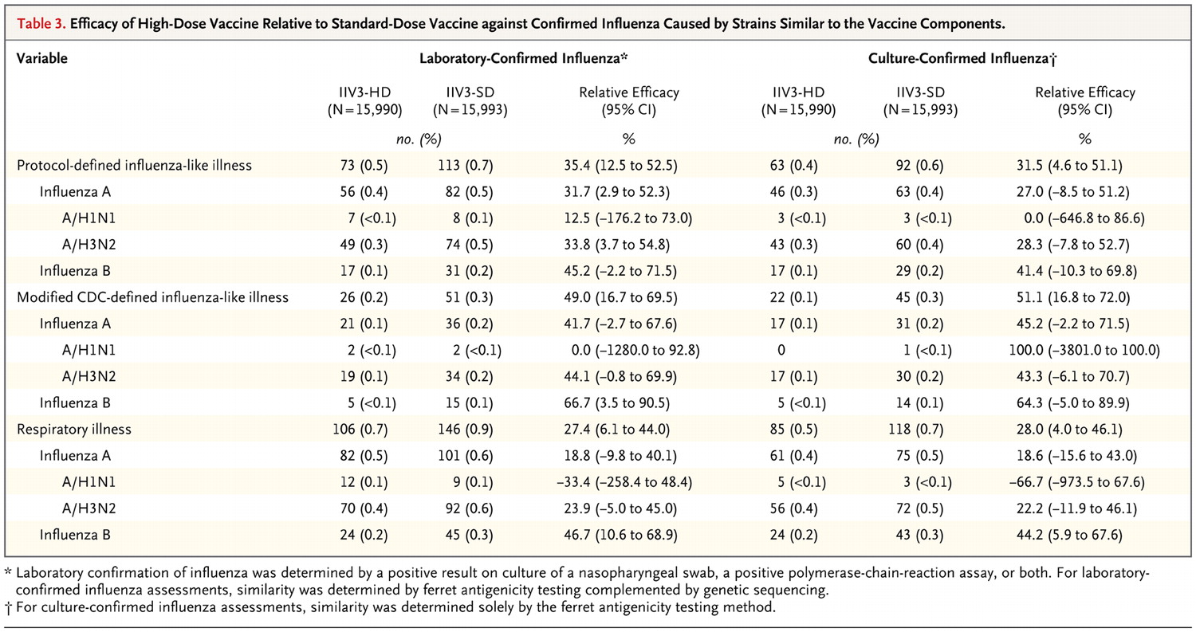
DiazGranados, C. a., Dunning, A. J., Kimmel, M., Kirby, D., Treanor, J., Collins, A., … Talbot, H. K. (2014).
Efficacy of High-Dose versus Standard-Dose Influenza Vaccine in Older Adults.
New England Journal of Medicine, 371(7), 635–645. doi:10.1056/NEJMoa1315727
http://www.nejm.org/doi/full/10.1056/NEJMoa1315727

Efficacy of High-Dose vaccine relative to standard-dose vaccine against confirmed influenza caused by strains similar to the vaccine components

DiazGranados T4
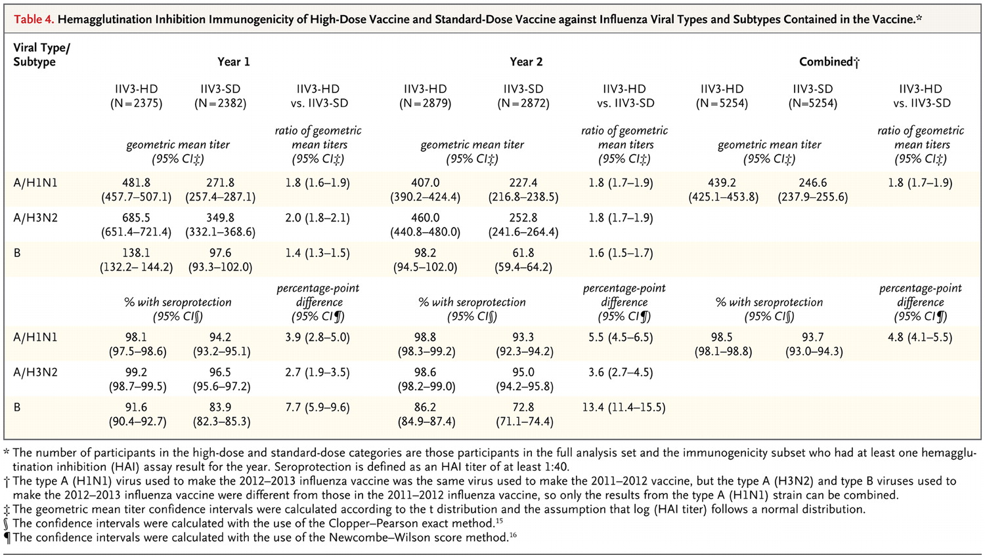
DiazGranados, C. A., Dunning, A. J., Kimmel, M., Kirby, D., Treanor, J., Collins, A., … Talbot, H. K. (2014).
Efficacy of High-Dose versus Standard-Dose Influenza Vaccine in Older Adults.
New England Journal of Medicine, 371(7), 635–645. doi:10.1056/NEJMoa1315727
http://www.nejm.org/doi/full/10.1056/NEJMoa1315727

Poehling T1
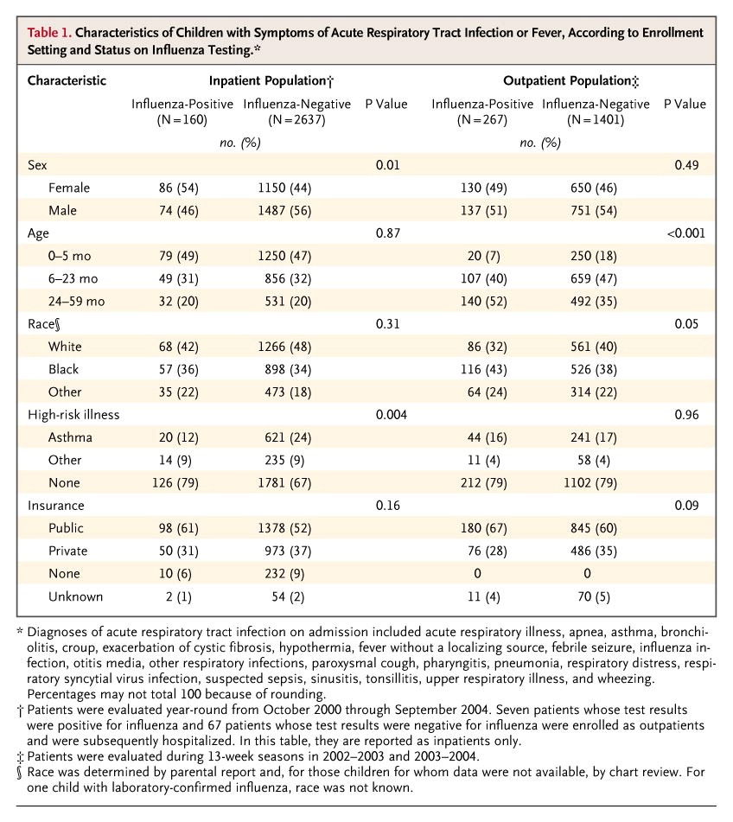
Poehling, K. A., Edwards, K.M., Weinberg, G.A., Szilagyi, P., Staat, M.A….et al. (2006)
The underrecognized burden of influenza in young children.
The New England Journal of Medicine 355.1 (Jul 6, 2006): 31-40.
http://search.proquest.com.pitt.idm.oclc.org/docview/223932769/fulltextPDF?accountid=14709

Table 1: Characteristics of Children with Symptoms of Acute Respiratory Tract Infection or Fever, According to Enrollment Setting and Status on Influenza Testing

Poehling T2
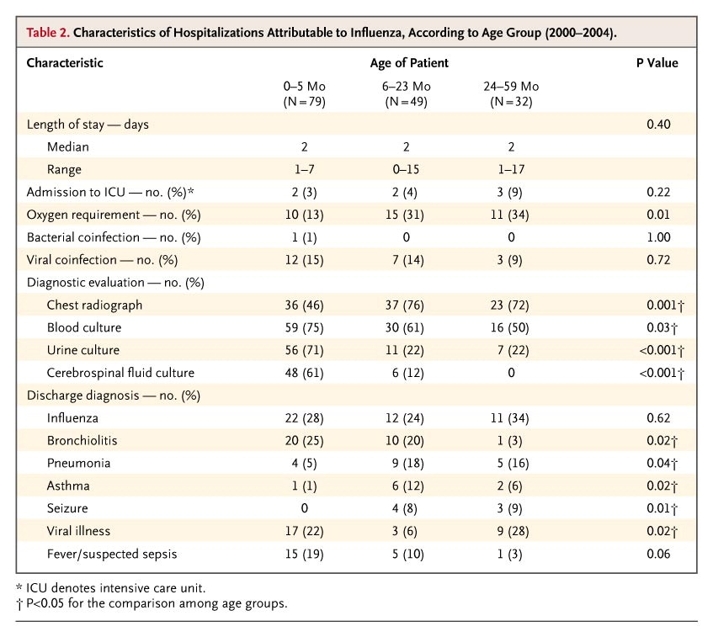
Poehling, K. A., Edwards, K.M., Weinberg, G.A., Szilagyi, P., Staat, M.A….et al. (2006)
The underrecognized burden of influenza in young children.
The New England Journal of Medicine 355.1 (Jul 6, 2006): 31-40.
http://search.proquest.com.pitt.idm.oclc.org/docview/223932769/fulltextPDF?accountid=14709

Characteristics of Hospitalizations Attributable to influenza, by age group

Poehling T3
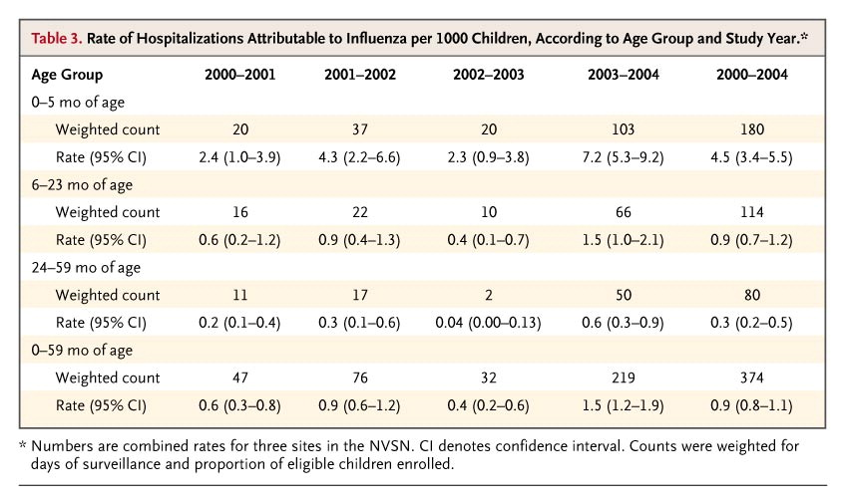
Poehling, K. A., Edwards, K.M., Weinberg, G.A., Szilagyi, P., Staat, M.A….et al. (2006)
The underrecognized burden of influenza in young children.
The New England Journal of Medicine 355.1 (Jul 6, 2006): 31-40.
http://search.proquest.com.pitt.idm.oclc.org/docview/223932769/fulltextPDF?accountid=14709

Poehling T4
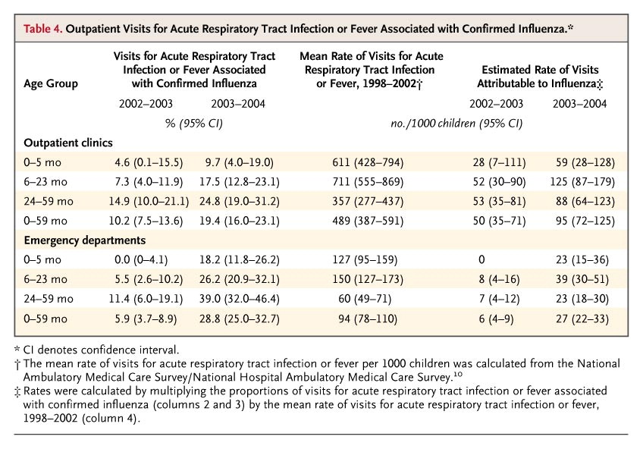
Poehling, K. A., Edwards, K.M., Weinberg, G.A., Szilagyi, P., Staat, M.A….et al. (2006)
The underrecognized burden of influenza in young children.
The New England Journal of Medicine 355.1 (Jul 6, 2006): 31-40.
http://search.proquest.com.pitt.idm.oclc.org/docview/223932769/fulltextPDF?accountid=14709

Pisu T1
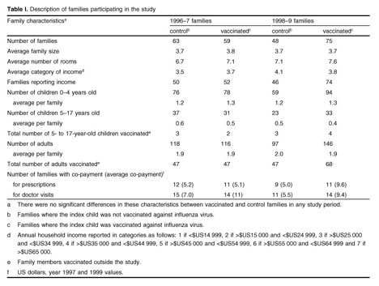
Pisu, M., Meltzer, M., Hurwitz, E. S., Haber, M. (2005).
Household-Based Costs and Benefits of Vaccinating Healthy Children in Daycare Against Influenza Virus.
Phamacoeconomics 2005; 23(1): 55-67, doi: 1170-7690.05.0001-0055
t4rf9qn2y.search.serialssolutions.com/?ctx_ver=Z39.88-2004&ctx_enc=info%3Aofi%2Fenc%3AUTF-8&rfr_id=info:sid/summon.serialssolutions.com&rft_val_fmt=info:ofi/fmt:kev:mtx:journal&rft.genre=article&rft.atitle=Household-Based+Costs+and+Benefits+of+Vaccinating+Healthy+Children+in+Daycare+Against+Influenza+Virus%3A+Results+from+a+Pilot+Study&rft.jtitle=PharmacoEconomics&rft.au=Maria+Pisu&rft.au=Martin+I.+Meltzer&rft.au=Eugene+S.+Hurwitz&rft.au=Michael+Haber&rft.date=2005&rft.pub=Adis+International&rft.issn=1170-7690&rft.volume=23&rft.issue=1&rft.spage=55&rft.epage=55&rft.externalDBID=n%2Fa&rft.externalDocID=n%2Fa&paramdict=en-US

Pisu T2
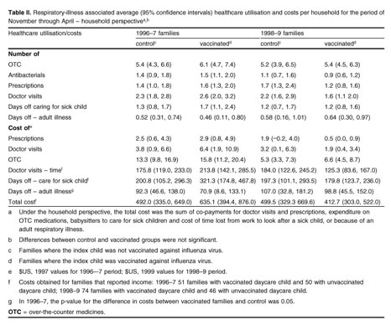
Pisu, M., Meltzer, M., Hurwitz, E. S., Haber, M. (2005).
Household-Based Costs and Benefits of Vaccinating Healthy Children in Daycare Against Influenza Virus.
Phamacoeconomics 2005; 23(1): 55-67, doi: 1170-7690.05.0001-0055
t4rf9qn2y.search.serialssolutions.com/?ctx_ver=Z39.88-2004&ctx_enc=info%3Aofi%2Fenc%3AUTF-8&rfr_id=info:sid/summon.serialssolutions.com&rft_val_fmt=info:ofi/fmt:kev:mtx:journal&rft.genre=article&rft.atitle=Household-Based+Costs+and+Benefits+of+Vaccinating+Healthy+Children+in+Daycare+Against+Influenza+Virus%3A+Results+from+a+Pilot+Study&rft.jtitle=PharmacoEconomics&rft.au=Maria+Pisu&rft.au=Martin+I.+Meltzer&rft.au=Eugene+S.+Hurwitz&rft.au=Michael+Haber&rft.date=2005&rft.pub=Adis+International&rft.issn=1170-7690&rft.volume=23&rft.issue=1&rft.spage=55&rft.epage=55&rft.externalDBID=n%2Fa&rft.externalDocID=n%2Fa&paramdict=en-US

Pisu T3
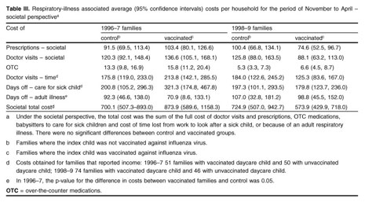
Pisu, M., Meltzer, M., Hurwitz, E. S., Haber, M. (2005).
Household-Based Costs and Benefits of Vaccinating Healthy Children in Daycare Against Influenza Virus.
Phamacoeconomics 2005; 23(1): 55-67, doi: 1170-7690.05.0001-0055
t4rf9qn2y.search.serialssolutions.com/?ctx_ver=Z39.88-2004&ctx_enc=info%3Aofi%2Fenc%3AUTF-8&rfr_id=info:sid/summon.serialssolutions.com&rft_val_fmt=info:ofi/fmt:kev:mtx:journal&rft.genre=article&rft.atitle=Household-Based+Costs+and+Benefits+of+Vaccinating+Healthy+Children+in+Daycare+Against+Influenza+Virus%3A+Results+from+a+Pilot+Study&rft.jtitle=PharmacoEconomics&rft.au=Maria+Pisu&rft.au=Martin+I.+Meltzer&rft.au=Eugene+S.+Hurwitz&rft.au=Michael+Haber&rft.date=2005&rft.pub=Adis+International&rft.issn=1170-7690&rft.volume=23&rft.issue=1&rft.spage=55&rft.epage=55&rft.externalDBID=n%2Fa&rft.externalDocID=n%2Fa&paramdict=en-US

Pisu T4
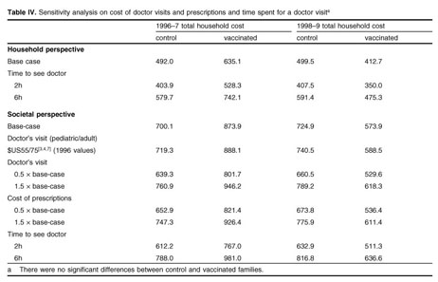
Pisu, M., Meltzer, M., Hurwitz, E. S., Haber, M. (2005).
Household-Based Costs and Benefits of Vaccinating Healthy Children in Daycare Against Influenza Virus.
Phamacoeconomics 2005; 23(1): 55-67, doi: 1170-7690.05.0001-0055
t4rf9qn2y.search.serialssolutions.com/?ctx_ver=Z39.88-2004&ctx_enc=info%3Aofi%2Fenc%3AUTF-8&rfr_id=info:sid/summon.serialssolutions.com&rft_val_fmt=info:ofi/fmt:kev:mtx:journal&rft.genre=article&rft.atitle=Household-Based+Costs+and+Benefits+of+Vaccinating+Healthy+Children+in+Daycare+Against+Influenza+Virus%3A+Results+from+a+Pilot+Study&rft.jtitle=PharmacoEconomics&rft.au=Maria+Pisu&rft.au=Martin+I.+Meltzer&rft.au=Eugene+S.+Hurwitz&rft.au=Michael+Haber&rft.date=2005&rft.pub=Adis+International&rft.issn=1170-7690&rft.volume=23&rft.issue=1&rft.spage=55&rft.epage=55&rft.externalDBID=n%2Fa&rft.externalDocID=n%2Fa&paramdict=en-US

Pisu T5
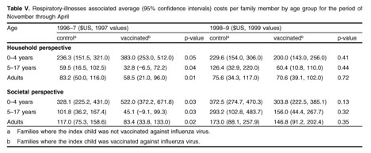
Pisu, M., Meltzer, M., Hurwitz, E. S., Haber, M. (2005).
Household-Based Costs and Benefits of Vaccinating Healthy Children in Daycare Against Influenza Virus.
Phamacoeconomics 2005; 23(1): 55-67, doi: 1170-7690.05.0001-0055
t4rf9qn2y.search.serialssolutions.com/?ctx_ver=Z39.88-2004&ctx_enc=info%3Aofi%2Fenc%3AUTF-8&rfr_id=info:sid/summon.serialssolutions.com&rft_val_fmt=info:ofi/fmt:kev:mtx:journal&rft.genre=article&rft.atitle=Household-Based+Costs+and+Benefits+of+Vaccinating+Healthy+Children+in+Daycare+Against+Influenza+Virus%3A+Results+from+a+Pilot+Study&rft.jtitle=PharmacoEconomics&rft.au=Maria+Pisu&rft.au=Martin+I.+Meltzer&rft.au=Eugene+S.+Hurwitz&rft.au=Michael+Haber&rft.date=2005&rft.pub=Adis+International&rft.issn=1170-7690&rft.volume=23&rft.issue=1&rft.spage=55&rft.epage=55&rft.externalDBID=n%2Fa&rft.externalDocID=n%2Fa&paramdict=en-US

Bhat T1
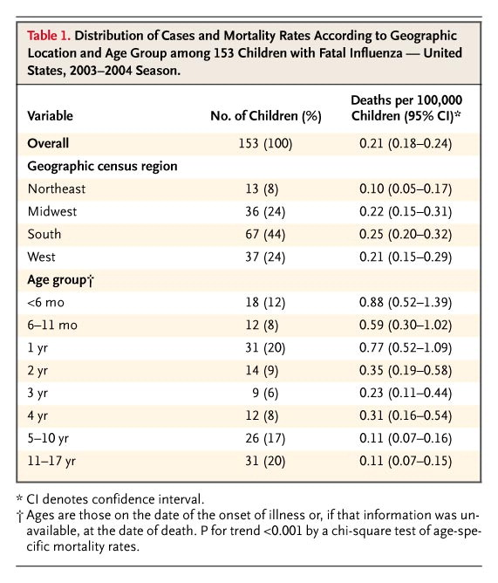
Bhat, N., Wright, J.G., Broder, K. R., Murray, E. L., Greenberg, M. E., Glover, M.J., Likos, A.M., Posey, D.L., Klimov, A., et al. (2005)
Influenza-Associated Deaths among Children in the United States, 2003-2004.
The New England Journal of Medicine 2005; 353:2559-2567, doi:10.10156/NEJMoa051721
http://www.nejm.org/doi/full/10.1056/NEJMoa051721#t=articleTop

Bhat T2
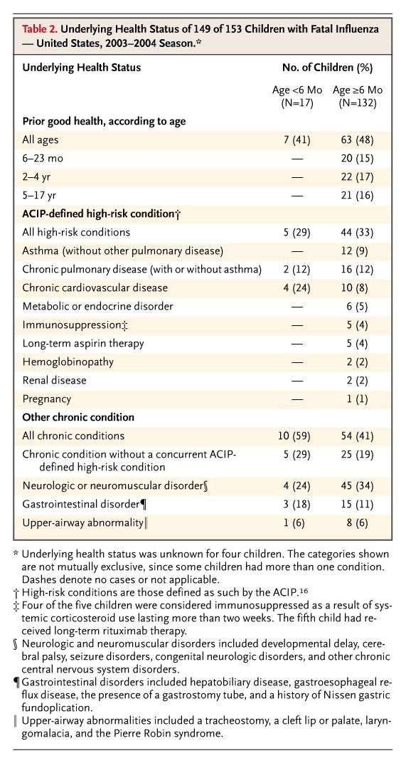
Bhat, N., Wright, J.G., Broder, K. R., Murray, E. L., Greenberg, M. E., Glover, M.J., Likos, A.M., Posey, D.L., Klimov, A., et al. (2005)
Influenza-Associated Deaths among Children in the United States, 2003-2004.
The New England Journal of Medicine 2005; 353:2559-2567, doi:10.10156/NEJMoa051721
http://www.nejm.org/doi/full/10.1056/NEJMoa051721#t=articleTop

Bhat T3
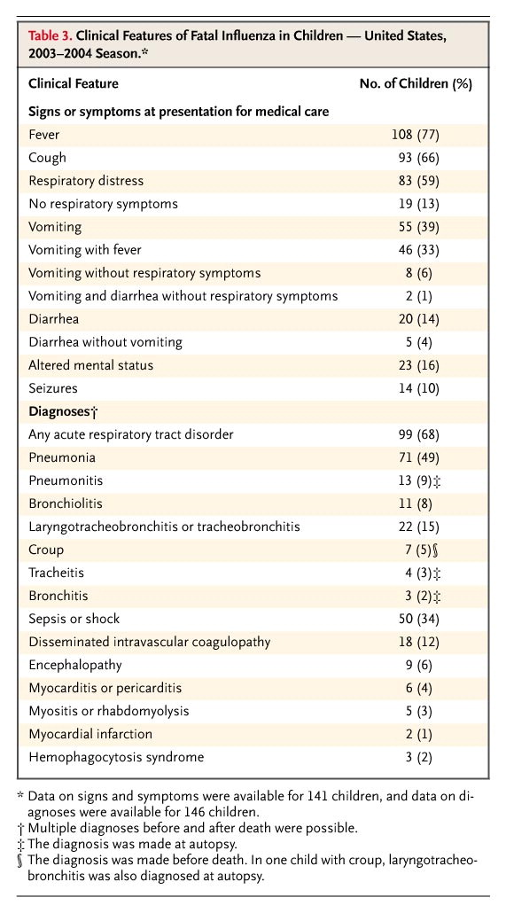
Bhat, N., Wright, J.G., Broder, K. R., Murray, E. L., Greenberg, M. E., Glover, M.J., Likos, A.M., Posey, D.L., Klimov, A., et al. (2005)
Influenza-Associated Deaths among Children in the United States, 2003-2004.
The New England Journal of Medicine 2005; 353:2559-2567, doi:10.10156/NEJMoa051721
http://www.nejm.org/doi/full/10.1056/NEJMoa051721#t=articleTop

Bhat T4
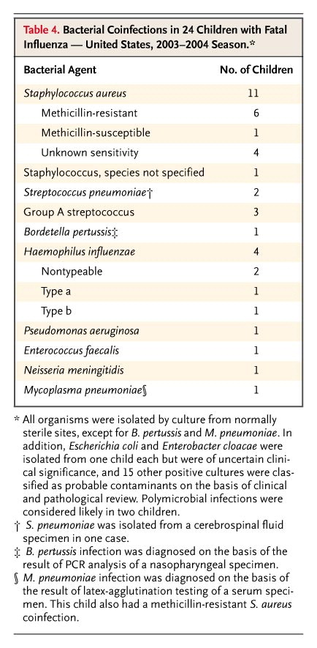
Bhat, N., Wright, J.G., Broder, K. R., Murray, E. L., Greenberg, M. E., Glover, M.J., Likos, A.M., Posey, D.L., Klimov, A., et al. (2005)
Influenza-Associated Deaths among Children in the United States, 2003-2004.
The New England Journal of Medicine 2005; 353:2559-2567, doi:10.10156/NEJMoa051721
http://www.nejm.org/doi/full/10.1056/NEJMoa051721#t=articleTop

Belshe T1
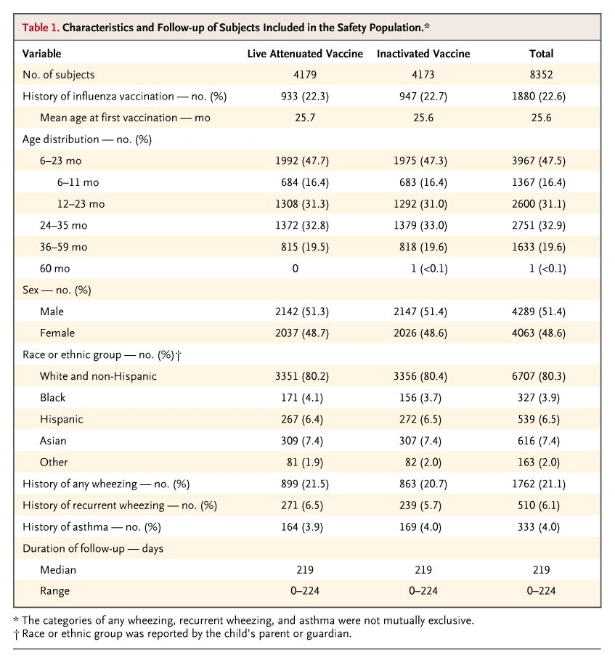
Belshe, R.B., Edwards, K.M., Vesikari, T., Black, S.V., Walker, R.E., Hultquist, M., Kemble, G., Connor, E.M., (2007).
Live Atenuated versus Inactivated Influenza Vaccine in Infants and Young Children.
The New England Journal of Medicine, 356:685-696, doi:10.1056/NEJMoa065368
http://www.nejm.org/doi/full/10.1056/NEJMoa065368

Belshe T2
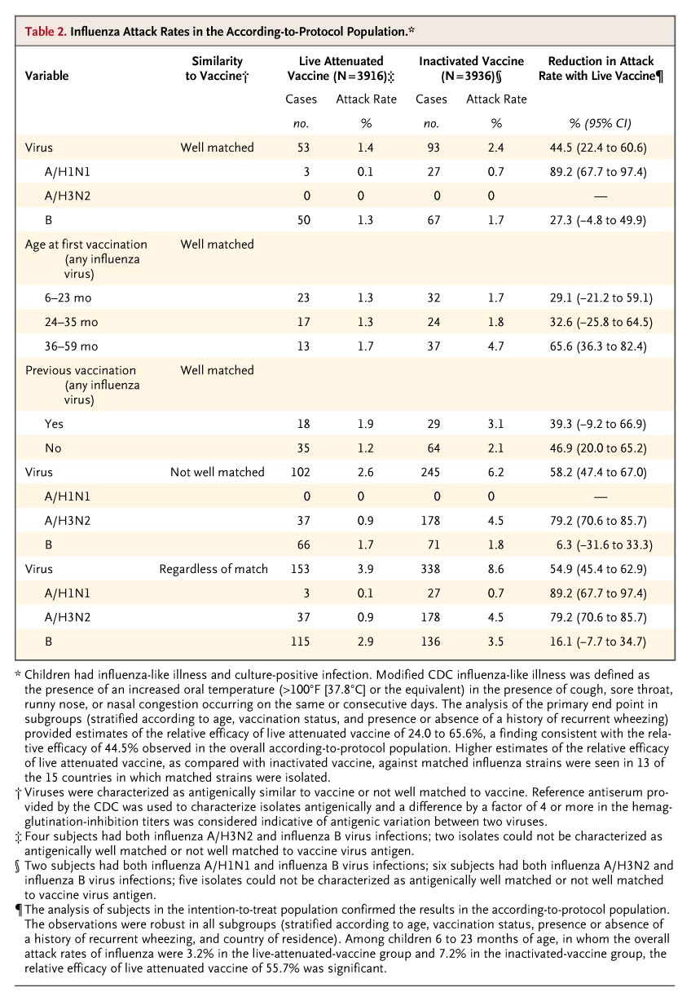
Belshe, R.B., Edwards, K.M., Vesikari, T., Black, S.V., Walker, R.E., Hultquist, M., Kemble, G., Connor, E.M., (2007).
Live Atenuated versus Inactivated Influenza Vaccine in Infants and Young Children.
The New England Journal of Medicine, 356:685-696, doi:10.1056/NEJMoa065368
http://www.nejm.org/doi/full/10.1056/NEJMoa065368
Influenza Attack Rates in the According-to-Protocol Population.* Variable

Belshe T3
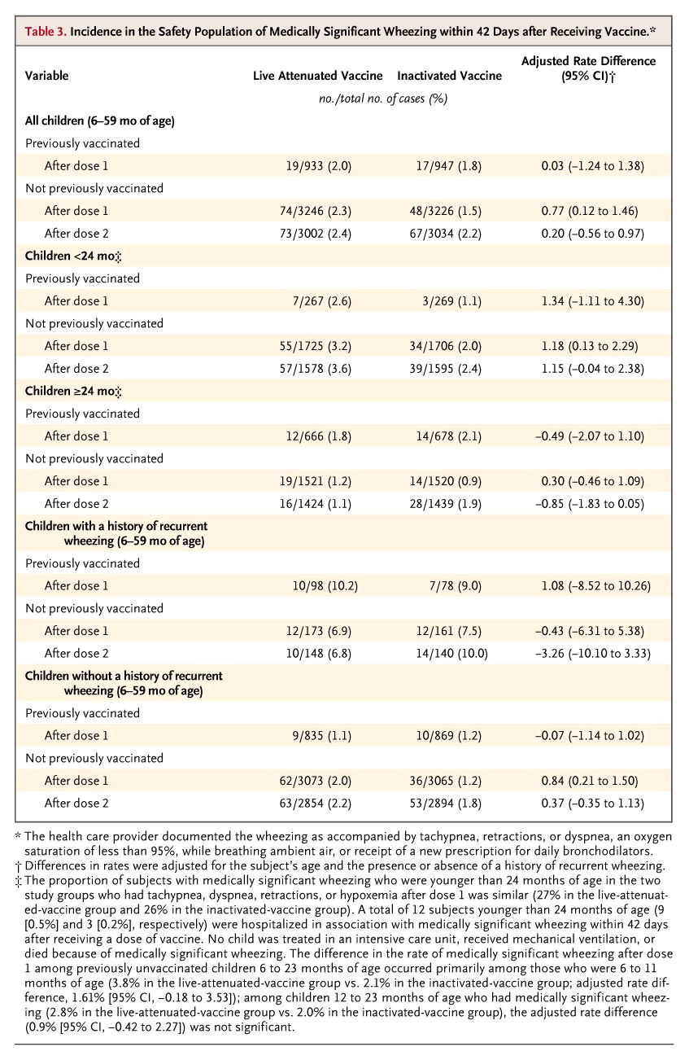
Belshe, R.B., Edwards, K.M., Vesikari, T., Black, S.V., Walker, R.E., Hultquist, M., Kemble, G., Connor, E.M., (2007).
Live Atenuated versus Inactivated Influenza Vaccine in Infants and Young Children.
The New England Journal of Medicine, 356:685-696, doi:10.1056/NEJMoa065368
http://www.nejm.org/doi/full/10.1056/NEJMoa065368

Belshe T4
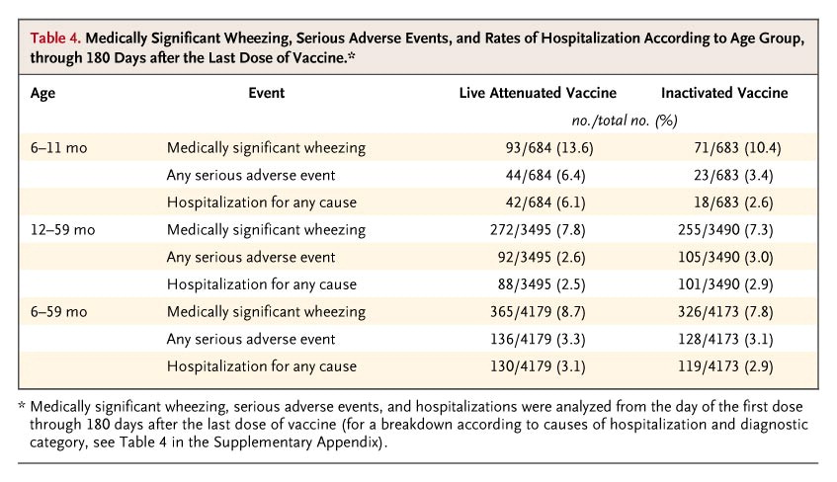
Belshe, R.B., Edwards, K.M., Vesikari, T., Black, S.V., Walker, R.E., Hultquist, M., Kemble, G., Connor, E.M., (2007).
Live Atenuated versus Inactivated Influenza Vaccine in Infants and Young Children.
The New England Journal of Medicine, 356:685-696, doi:10.1056/NEJMoa065368
http://www.nejm.org/doi/full/10.1056/NEJMoa065368

